Home
Conditionally Formatting Data: Examples and Guidelines

Home
To navigate to the worksheet you want to see, click the worksheet name button in the Worksheet column.
To return to this Home worksheet, click the Home button in the top left cell.

Products1
Products2
Worksheet | Rule Type | Description
 | Cell value | Find specific numbers, dates, and text in a list of products
 | Cell value (with formula) | See a dynamically changed number or text value in a list of products
Book tour
 | Top/bottom values Above/below average | Identify top, bottom, and above average values in a recent book tour report
Grades
 | Top/bottom values | Determine who are the top two students in the class
Customers1
 | Unique/duplicate | Find duplicate rows in a list of customers
Quarters
 | Icon set | Quickly see revenue status and trends from one quarter to the next
Bike rating
 | Icon set | Compare different product criteria by using a rating scale
FY months
 | Icon set | Examine profit trends from month to month
Regional sales
 | Icon set | Identify regional sales below $900,000
Mountains
 | Data bars | Compare heights of the tallest mountains
Category sales
 | 3 color scale | Examine overall sales distributions in key product categories

Products1
Home
How to create this rule
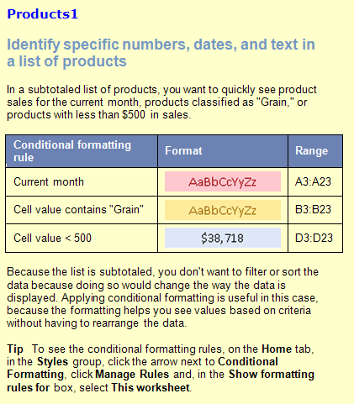
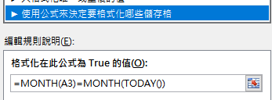
 |  |  |  | 練習
Date | Product | Region | Amount | * | 如何利用公式設定符合今天日期的月份
2014-04-09 | Dairy | Denmark | $1,148.00 | * | 特定月份不分年
2014-10-26 | Produce | Denmark | $1,530.00 | * | 月份介於5-8
2014-03-07 | Produce | Denmark | $1,423.50
 |  | Denmark Total | $4,101.50 |  | 提示：MONTH、AND、TODAY函數
2014-11-05 | Dairy | Finland | $192.10 |  | 用法 | 2019-03-26
2014-07-12 | Dairy | Finland | $351.00 |  |  | 3
2014-06-02 | Grain | Finland | $560.40 |  |  | 8
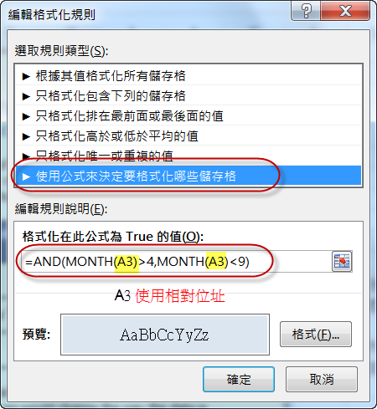
 |  | Finland Total | $1,103.50
2014-08-30 | Dairy | Germany | $470.00
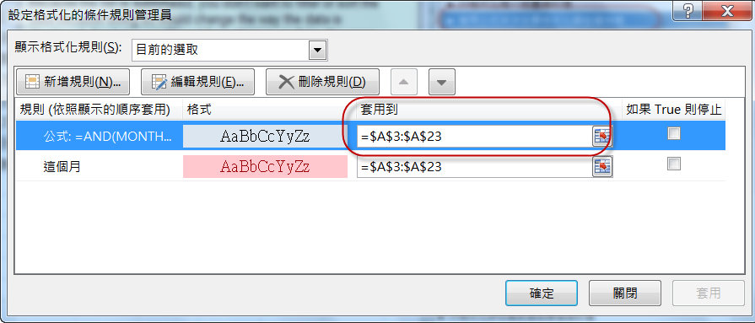
2014-07-26 | Dairy | Germany | $17.40
2014-03-24 | Grain | Germany | $1,405.00
2014-10-30 | Grain | Germany | $470.00
2014-08-26 | Grain | Germany | $17.40
2019-03-26 | Grain | Germany | $747.00
2019-03-27 | Produce | Germany | $17.40
2019-03-29 | Produce | Germany | $747.00
 |  | Germany Total | $3,891.20
2013-01-18 | Dairy | Italy | $3,194.20
2016-05-02 | Dairy | Italy | $438.43
2013-12-18 | Produce | Italy | $3,194.20
2013-03-13 | Produce | Italy | $438.43
 |  | Italy Total | $7,265.26

Products2
Home
How to create this rule
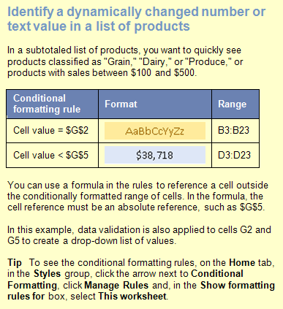
 |  |  |  |  |  | 4
Date | Product | Region | Amount | Change Product: | Dairy
04/09/2007 | Dairy | Denmark | $1,148.00
05/26/2007 | Produce | Denmark | $1,530.00
12/07/2007 | Produce | Denmark | $1,423.50 | Change Amount: | $200
 |  | Denmark Total | $4,101.50
11/05/2007 | Dairy | Finland | $192.10
07/12/2007 | Dairy | Finland | $351.00
06/02/2007 | Grain | Finland | $560.40
 |  | Finland Total | $1,103.50
08/30/2007 | Dairy | Germany | $470.00
07/26/2007 | Dairy | Germany | $17.40
09/24/2007 | Grain | Germany | $1,405.00
10/30/2007 | Grain | Germany | $470.00
08/26/2007 | Grain | Germany | $17.40
07/07/2007 | Grain | Germany | $747.00
06/26/2007 | Produce | Germany | $17.40
07/07/2007 | Produce | Germany | $747.00
 |  | Germany Total | $3,891.20
01/18/2007 | Dairy | Italy | $3,194.20
02/13/2007 | Dairy | Italy | $438.43
12/18/2007 | Produce | Italy | $3,194.20
03/13/2007 | Produce | Italy | $438.43
 |  | Italy Total | $7,265.26

Book tour
Home
How to create this rule
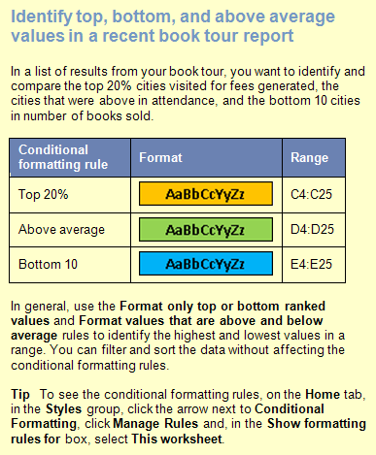
 |  | (Top 20%) | (Above Average) | (Bottom 10)
City | Date | Fee | Attendance | Books Sold
Anchorage | 1997-03-15 | $1,038 | 179 | 98
Atlanta | 1997-02-08 | $1,880 | 149 | 95
Boston | 1997-01-25 | $821 | 385 | 146
Charleston | 1997-01-29 | $1,822 | 328 | 124
Cleveland | 1997-02-10 | $1,073 | 128 | 32
Detroit | 1997-02-14 | $1,881 | 376 | 58
Flagstaff | 1997-03-25 | $1,222 | 37 | 5
Los Angeles | 1997-03-05 | $945 | 265 | 47
Memphis | 1997-02-06 | $910 | 93 | 45
New Orleans | 1997-03-31 | $1,233 | 415 | 59
New York | 1997-01-23 | $1,180 | 205 | 147
Philadelphia | 1997-01-31 | $1,965 | 145 | 31
Phoenix | 1997-03-23 | $955 | 37 | 8
Portland | 1997-03-09 | $781 | 85 | 33
Providence | 1997-02-02 | $1,964 | 111 | 73
Salt Lake City | 1997-03-21 | $1,190 | 275 | 37
San Francisco | 1997-03-07 | $904 | 171 | 145
Seattle | 1997-03-11 | $936 | 279 | 109
St. Louis | 1997-02-18 | $926 | 354 | 19
Topeka | 1997-02-20 | $1,775 | 66 | 12
Vancouver, B.C. | 1997-03-13 | $1,740 | 69 | 59
Washington, D.C. | 1997-01-27 | $1,724 | 499 | 151

Grades
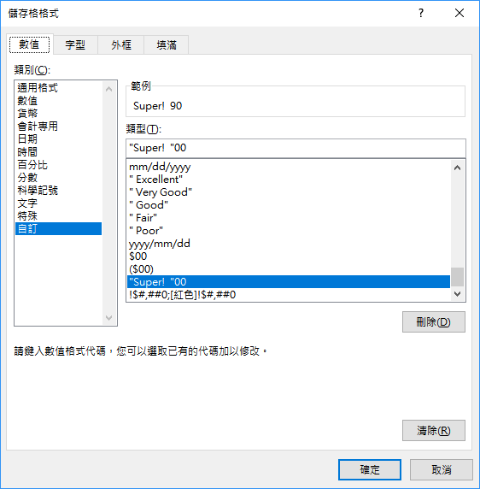
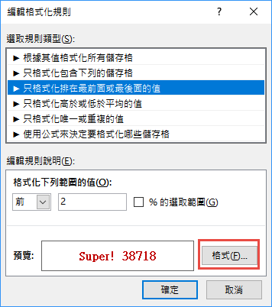
Home
How to create this rule

Student | Quiz1 | Exam1 | Quiz2 | Exam2 | Grade
Nancy | 96 | 97 | 90 | 82 | 90
Andrew | 59 | 55 | 71 | 94 | 72
Janet | 69 | 71 | 98 | 98 | 84
Margaret | 99 | 90 | 59 | 79 | 83
Steven | 56 | 86 | 65 | 74 | 75
Michael | 57 | 61 | 84 | 67 | 66
Robert | 55 | 86 | 59 | 86 | 79
Laura | 89 | 91 | 91 | 81 | 87
Anne | 55 | 77 | 91 | 86 | 79

Customers1
Home
How to create this rule
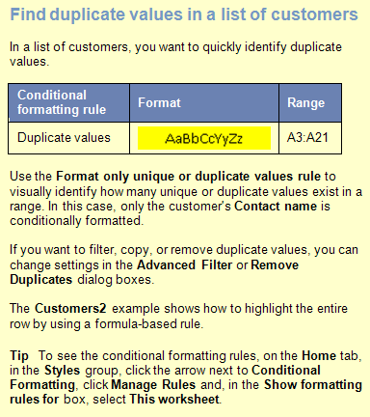
Contact Name | Address | City | Postal Code | Country | Phone
Ana Trujillo | Avda. de la Constitución 2222 | México D.F. | 5021 | Mexico | (5) 555-4729
Antonio Moreno | Mataderos 2312 | México D.F. | 5023 | Mexico | (5) 555-3932
Christina Berglund | Berguvsvägen 8 | Luleå | S-958 22 | Sweden | 0921-12 34 65
Frédérique Citeaux | 24, place Kléber | Strasbourg | 67000 | France | 88.60.15.31
Thomas Hardy | 120 Hanover Sq. | London | WA1 1DP | UK | (171) 555-7788
Georg Pipps | Geislweg 14 | Salzburg | 5020 | Austria | 6562-9722
Guillermo Fernández | Calle Dr. Jorge Cash 321 | México D.F. | 5033 | Mexico | (5) 552-3745
Hanna Moos | Forsterstr. 57 | Mannheim | 68306 | Germany | 0621-08460
Henriette Pfalzheim | Mehrheimerstr. 369 | Köln | 50739 | Germany | 0221-0644327
Henriette Pfalzheim | Mehrheimerstr. 369 | Köln | 50739 | Germany | 0221-0644327
Horst Kloss | Taucherstraße 10 | Cunewalde | 1307 | Germany | 0372-035188
Isabel de Castro | Estrada da saúde n. 58 | Lisboa | 1756 | Portugal | (1) 356-5634
Maria Anders | Obere Str. 57 | Berlin | 12209 | Germany | 030-0074321
Marie Bertrand | 265, boulevard Charonne | Paris | 75012 | France | (1) 42.34.22.66
Hanna Moos | Forsterstr. 57 | Mannheim | 68306 | Germany | 0621-08460
Sergio Gutiérrez | Av. del Libertador 900 | Buenos Aires | 1010 | Argentina | (1) 123-5555
Thomas Hardy | 120 Hanover Sq. | London | WA1 1DP | UK | (171) 555-7788
Maria Anders | Obere Str. 57 | Berlin | 12209 | Germany | 030-0074321
Thomas Hardy | 120 Hanover Sq. | London | WA1 1DP | UK | (171) 555-7788

Quarters
Home
How to create this rule
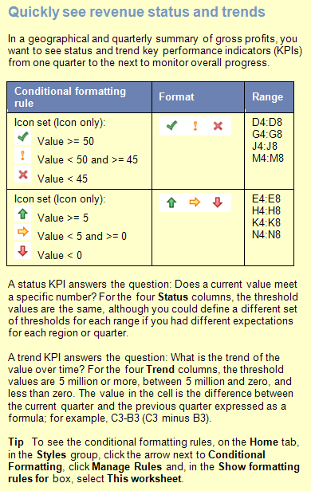
 | 2005 | 2006 Gross Profits (in Millions)
Area | Q4 | Q1 | Status | Trend | Q2 | Status | Trend | Q3 | Status | Trend | Q4 | Status | Trend
Europe | $32 | $33 | 33 | 1 | $81 | 81 | $48 | $72 | 72 | -9 | $56 | 56 | -16
S. America | $26 | $29 | 29 | 3 | $30 | 30 | $1 | $42 | 42 | 12 | $69 | 69 | 27
Far East | $49 | $62 | 62 | 13 | $70 | 70 | $8 | $43 | 43 | -27 | $63 | 63 | 20
Australia | $22 | $64 | 64 | 42 | $78 | 78 | $14 | $38 | 38 | -40 | $45 | 45 | 7
N. America | $11 | $67 | 67 | 56 | $77 | 77 | $10 | $35 | 35 | -42 | $76 | 76 | 41

Bike rating
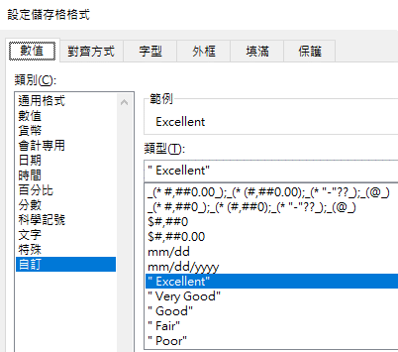
Home
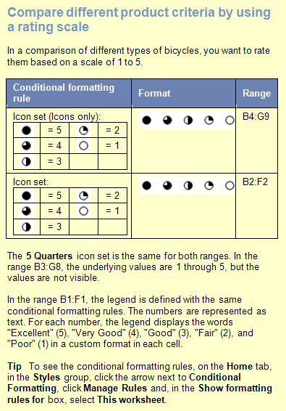
 | Excellent | Very Good | Good | Fair | Poor
Product | Shifting | Brakes | Handle Bars | Seat | Frequency of Repair | Overall Score
Mountain Bike | 5 | 1 | 1 | 2 | 3 | 2.4
Comfort Rider | 4 | 3 | 3 | 5 | 4 | 3.8
Hybrid | 3 | 3 | 3 | 3 | 2 | 2.8
Road Bike | 3 | 1 | 1 | 2 | 1 | 1.6
Recumbant | 2 | 3 | 3 | 4 | 2 | 2.8
Unicycle | 3 | 2 | 2 | 1 | 5 | 2.6

 | 個別設定B2~F2的文字顯示

FY months
Home
How to create this rule
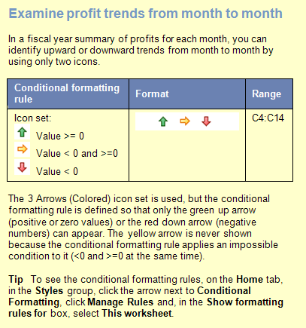
FY 2008 | Profits | Trend
July | $5,000
August | $7,000 | $2,000
September | $10,000 | $3,000
October | $1,000 | -$9,000
November | $4,000 | $3,000
December | $9,800 | $5,800
January | $5,400 | -$4,400
February | $5,400 | $0
March | $4,300 | -$1,100
April | $11,000 | $6,700
May | $12,500 | $1,500
June | $9,800 | -$2,700

Regional sales
Home
How to create this rule
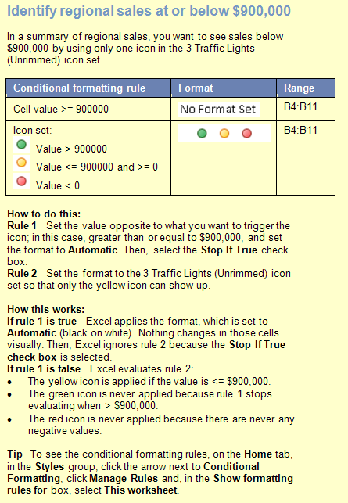
 | < $900,000
Region | Sales
NorthWest | $1,781,345
West | $534,389
SouthWest | $1,009,268
South | $899,999
Central | $2,345,184
NorthEast | $900,000
East | $1,567,090
Territories | $34,678
Total | $9,071,953

Mountains
Home
How to create this rule
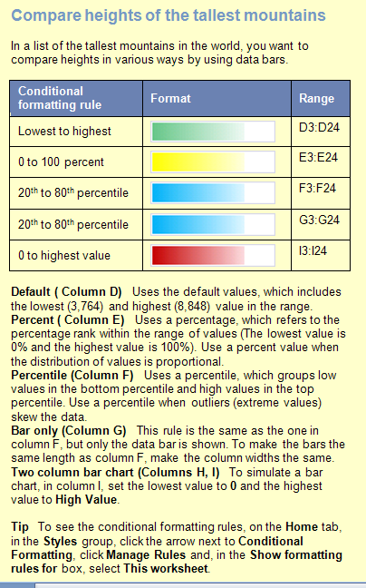
Mountain | Location | Height (m) | Default Value | Percent | Percen- tile | Bar only | Two column bar chart
Aconcagua | Argentina | 6,960 | 6,960 | 6,960 | 6,960 | 6,960 | 6,960 | 6,960
Annapurna I | Nepal | 8,078 | 8,078 | 8,078 | 8,078 | 8,078 | 8,078 | 8,078
Ararat | Turkey | 5,122 | 5,122 | 5,122 | 5,122 | 5,122 | 5,122 | 5,122
Citlaltepetl | Mexico | 5,700 | 5,700 | 5,700 | 5,700 | 5,700 | 5,700 | 5,700
Cook | New Zealand | 3,764 | 3,764 | 3,764 | 3,764 | 3,764 | 3,764 | 3,764
Everest | Nepal-China | 8,848 | 8,848 | 8,848 | 8,848 | 8,848 | 8,848 | 8,848
Grand Teton | Wyoming, U.S. | 4,196 | 4,196 | 4,196 | 4,196 | 4,196 | 4,196 | 4,196
Huascaran | Peru | 6,768 | 6,768 | 6,768 | 6,768 | 6,768 | 6,768 | 6,768
Jaja | New Guinea | 5,029 | 5,029 | 5,029 | 5,029 | 5,029 | 5,029 | 5,029
Jebel Toubkal | Morocco | 4,164 | 4,164 | 4,164 | 4,164 | 4,164 | 4,164 | 4,164
K2 | Kashmir | 8,611 | 8,611 | 8,611 | 8,611 | 8,611 | 8,611 | 8,611
Kanchenjunga | India-Nepal | 8,598 | 8,598 | 8,598 | 8,598 | 8,598 | 8,598 | 8,598
Kilimanjaro | Tanzania | 5,895 | 5,895 | 5,895 | 5,895 | 5,895 | 5,895 | 5,895
Kinabalu | Malaysia | 4,101 | 4,101 | 4,101 | 4,101 | 4,101 | 4,101 | 4,101
Logan | Yukon, Canada | 6,050 | 6,050 | 6,050 | 6,050 | 6,050 | 6,050 | 6,050
McKinley | Alaska, U.S. | 6,194 | 6,194 | 6,194 | 6,194 | 6,194 | 6,194 | 6,194
Mont Blanc | France-Italy | 4,807 | 4,807 | 4,807 | 4,807 | 4,807 | 4,807 | 4,807
Monte Rosa | Italy-Switzerland | 4,634 | 4,634 | 4,634 | 4,634 | 4,634 | 4,634 | 4,634
Ojos del Salado | Argentina-Chile | 6,880 | 6,880 | 6,880 | 6,880 | 6,880 | 6,880 | 6,880
Ras Dashan | Ethiopia | 4,260 | 4,260 | 4,260 | 4,260 | 4,260 | 4,260 | 4,260
Sajama | Bolivia | 6,520 | 6,520 | 6,520 | 6,520 | 6,520 | 6,520 | 6,520
Vinson Massif | Antarctica | 5,140 | 5,140 | 5,140 | 5,140 | 5,140 | 5,140 | 5,140

Category sales
Home
How to create this rule
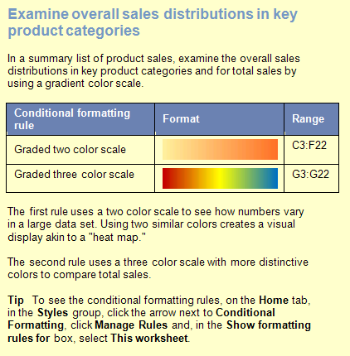
Country | Region | Dairy | Produce | Grain | Beverage | Total Sales
Finland | North | $32,726 | $38,483 | $33,016 | $19,474 | $123,699
Finland | South | $34,733 | $37,971 | $32,236 | $16,734 | $121,674
Spain | North | $31,062 | $73,611 | $61,085 | $45,120 | $210,878
Spain | South | $45,389 | $22,189 | $22,040 | $60,116 | $149,734
France | East | $63,539 | $50,602 | $25,347 | $21,991 | $161,479
France | West | $49,382 | $39,100 | $55,406 | $31,810 | $175,698
Norway | North | $21,842 | $62,310 | $42,256 | $19,191 | $145,599
Norway | South | $15,566 | $28,321 | $21,355 | $47,141 | $112,383
Denmark | East | $63,332 | $70,239 | $61,149 | $56,706 | $251,426
Denmark | West | $21,386 | $29,939 | $63,308 | $47,036 | $161,669
Italy | Mid | $10,471 | $15,781 | $44,755 | $64,064 | $135,071
Italy | South | $40,282 | $36,045 | $35,135 | $32,748 | $144,210
Germany | East | $60,161 | $32,055 | $24,207 | $26,952 | $143,375
Germany | West | $70,606 | $58,763 | $65,356 | $15,132 | $209,857
UK | North | $13,522 | $36,363 | $24,925 | $56,741 | $131,551
UK | South | $50,055 | $28,828 | $28,333 | $49,805 | $157,021
Belgium | North | $57,008 | $65,101 | $73,444 | $29,043 | $224,596
Belgium | Mid | $52,202 | $60,639 | $38,777 | $52,787 | $204,405
Sweden | Mid | $65,925 | $10,865 | $41,532 | $10,731 | $129,053
Sweden | South | $61,525 | $22,930 | $10,785 | $60,148 | $155,388

Banded rows
Home
How to create this rule
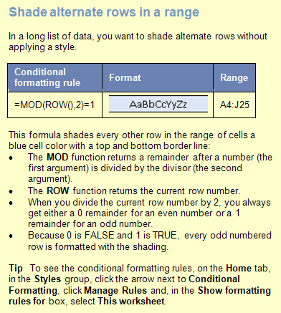
 | Widgets |  |  | Whatnots |  |  | Whoseits
Account # | Actuals | Budget | Variance | Actuals | Budget | Variance | Actuals | Budget | Variance
VF-56 | $828,923 | $525,102 | 58% | $553,082 | $440,237 | 26% | $389,859 | $373,537 | 4%
NA-16 | $17,911 | $263,640 | -93% | $796,045 | $475,995 | 67% | $764,213 | $67,530 | 1032%
YI-31 | $45,016 | $129,498 | -65% | $578,806 | $680,391 | -15% | $551,418 | $141,283 | 290%
CF-33 | $437,361 | $84,668 | 417% | $178,970 | $490,475 | -64% | $183,076 | $473,213 | -61%
AT-38 | $619,932 | $704,848 | -12% | $893,278 | $821,136 | 9% | $504,880 | $138,708 | 264%
IR-59 | $262,543 | $616,172 | -57% | $203,017 | $531,739 | -62% | $699,009 | $161,153 | 334%
SP-95 | $506,004 | $118,953 | 325% | $855,252 | $358,632 | 138% | $365,882 | $606,000 | -40%
GT-96 | $317,381 | $336,700 | -6% | $626,232 | $797,406 | -21% | $770,559 | $789,980 | -2%
AQ-18 | $417,676 | $549,676 | -24% | $104,696 | $803,328 | -87% | $642,605 | $153,226 | 319%
LX-84 | $478,518 | $427,397 | 12% | $385,078 | $154,539 | 149% | $743,726 | $602,881 | 23%
BG-53 | $402,440 | $450,463 | -11% | $299,815 | $366,979 | -18% | $468,461 | $172,335 | 172%
DF-84 | $511,325 | $149,980 | 241% | $486,677 | $702,406 | -31% | $602,059 | $703,775 | -14%
MM-33 | $287,030 | $772,719 | -63% | $31,254 | $827,509 | -96% | $882,879 | $70,813 | 1147%
VZ-105 | $449,917 | $444,492 | 1% | $609,250 | $303,316 | 101% | $667,870 | $394,949 | 69%
YS-39 | $459,117 | $668,364 | -31% | $133,932 | $504,651 | -73% | $58,487 | $656,804 | -91%
TO-55 | $722,245 | $850,786 | -15% | $554,527 | $21,385 | 2493% | $505,097 | $350,394 | 44%
WF-69 | $266,636 | $178,433 | 49% | $537,783 | $38,483 | 1297% | $57,354 | $863,778 | -93%
VA-41 | $270,480 | $794,357 | -66% | $837,665 | $808,048 | 4% | $748,117 | $563,125 | 33%
OL-94 | $464,252 | $205,673 | 126% | $366,163 | $186,063 | 97% | $890,613 | $16,835 | 5190%
TL-14 | $477,958 | $461,381 | 4% | $240,605 | $474,793 | -49% | $815,550 | $249,015 | 228%
XZ-75 | $784,017 | $666,658 | 18% | $653,507 | $794,167 | -18% | $591,929 | $298,557 | 98%
BC-92 | $327,856 | $412,337 | -20% | $437,507 | $26,499 | 1551% | $295,408 | $512,575 | -42%

Compare to totals
Home
How to create this rule
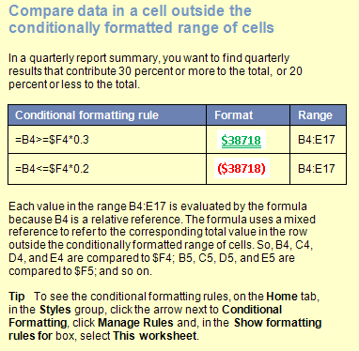
 | Q1 | Q2 | Q3 | Q4 | Totals
Division A
North | $55 | $40 | $55 | $70 | $220
East | $59 | $98 | $76 | $90 | $323
South | $60 | $46 | $86 | $78 | $270
West | $90 | $65 | $82 | $45 | $282
Division B
North | $47 | $81 | $54 | $61 | $243
East | $89 | $63 | $71 | $58 | $281
South | $61 | $49 | $88 | $86 | $284
West | $54 | $64 | $91 | $73 | $282
Division C
North | $76 | $45 | $78 | $92 | $291
East | $81 | $62 | $47 | $59 | $249
South | $85 | $62 | $82 | $83 | $312
West | $56 | $72 | $72 | $89 | $289

 | Q1 | Q2 | Q3 | Q4 | Totals
Division A
North | $52 | $88 | $52 | $70 | $262
East | $59 | $89 | $76 | $90
South | $60 | $46 | $86 | $78
West | $90 | $65 | $82 | $45
Division B
North | $53 | $66 | $54 | $61
East | $89 | $63 | $71 | $58
South | $61 | $49 | $88 | $88
West | $54 | $64 | $91 | $73
Division C
North | $76 | $45 | $78 | $92
East | $81 | $62 | $47 | $59
South | $85 | $64 | $82 | $83
West | $56 | $72 | $72 | $89

Products3
Home
How to create this rule
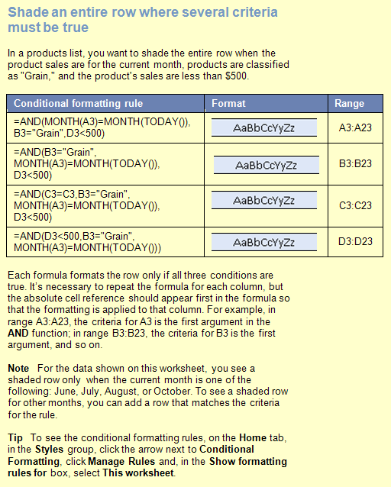
Date | Product | Region | Amount
2019-03-16 | Dairy | Denmark | $1,148.00
2019-03-20 | Produce | Denmark | $1,530.00
2019-03-21 | Produce | Denmark | $1,423.50
 |  | Denmark Total | $4,101.50 | 說明：
2019-03-23 | Dairy | Finland | $192.10 | * | 符合多個條件的話，整列塗上顏色
2019-03-24 | Dairy | Finland | $351.00 | * | 各欄分開填寫
2019-03-25 | Grain | Finland | $490.50 | * | 該欄的條件寫在第一個
 |  | Finland Total | $1,033.60 | * | 不設條件的欄也要寫，如C3:C23
2019-03-27 | Dairy | Germany | $470.00
2019-03-28 | Dairy | Germany | $17.40
2019-03-29 | Grain | Germany | $1,405.00
2019-03-30 | Grain | Germany | $470.00
2019-03-31 | Grain | Germany | $17.40
2019-04-01 | Grain | Germany | $447.00
2019-04-02 | Produce | Germany | $17.40
2019-04-03 | Produce | Germany | $747.00
 |  | Germany Total | $3,591.20
2019-04-05 | Dairy | Italy | $3,194.20
2019-04-06 | Dairy | Italy | $438.43
2019-04-07 | Produce | Italy | $3,194.20
2019-04-08 | Produce | Italy | $438.43
 |  | Italy Total | $7,265.26

Customers2
Home
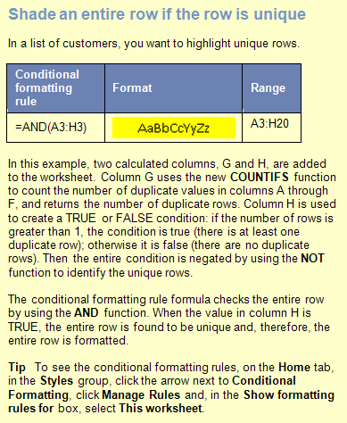
Contact Name | Address | City | Postal Code | Country | Phone | # | T/F
Christina Berglund | Berguvsvägen 8 | Luleå | S-958 22 | Sweden | 0921-12 34 65 | 1 | TRUE
Hanna Moos | Forsterstr. 57 | Mannheim | 68306 | Germany | 0621-08460 | 2 | FALSE
Henriette Pfalzheim | Mehrheimerstr. 369 | Köln | 50739 | Germany | 0221-0644327 | 2 | FALSE
Maria Anders | Obere Str. 57 | Berlin | 12209 | Germany | 030-0074321 | 2 | FALSE
Sergio Gutiérrez | Av. del Libertador 900 | Buenos Aires | 1010 | Argentina | (1) 123-5555 | 1 | TRUE
Thomas Hardy | 120 Hanover Sq. | London | WA1 1DP | UK | (171) 555-7788 | 3 | FALSE
Marie Bertrand | 265, blvd. Charonne | Paris | 75012 | France | (1) 42.34.22.66 | 1 | TRUE
Thomas Hardy | 120 Hanover Sq. | London | WA1 1DP | UK | (171) 555-7788 | 3 | FALSE
Antonio Moreno | Mataderos 2312 | México D.F. | 5023 | Mexico | (5) 555-3932 | 1 | TRUE
Maria Anders | Obere Str. 57 | Berlin | 12209 | Germany | 030-0074321 | 2 | FALSE
Isabel de Castro | Estrada da saúde n. 58 | Lisboa | 1756 | Portugal | (1) 356-5634 | 1 | TRUE
Guillermo Fernández | Calle Dr. Jorge Cash 321 | México D.F. | 5033 | Mexico | (5) 552-3745 | 1 | TRUE
Frédérique Citeaux | 24, place Kléber | Strasbourg | 67000 | France | 88.60.15.31 | 1 | TRUE
Thomas Hardy | 120 Hanover Sq. | London | WA1 1DP | UK | (171) 555-7788 | 3 | FALSE
Horst Kloss | Taucherstraße 10 | Cunewalde | 1307 | Germany | 0372-035188 | 1 | TRUE
Georg Pipps | Geislweg 14 | Salzburg | 5020 | Austria | 6562-9722 | 1 | TRUE
Hanna Moos | Forsterstr. 57 | Mannheim | 68306 | Germany | 0621-08460 | 2 | FALSE
Henriette Pfalzheim | Mehrheimerstr. 369 | Köln | 50739 | Germany | 0221-0644327 | 2 | FALSE

Customers2 (2)
Home
How to create this rule
Contact Name | Address | City | Postal Code | Country | Phone | #
Christina Berglund | Berguvsvägen 8 | Luleå | S-958 22 | Sweden | 0921-12 34 65 | TRUE
Hanna Moos | Forsterstr. 57 | Mannheim | 68306 | Germany | 0621-08460 | FALSE
Henriette Pfalzheim | Mehrheimerstr. 369 | Köln | 50739 | Germany | 0221-0644327 | FALSE
Maria Anders | Obere Str. 57 | Berlin | 12209 | Germany | 030-0074321 | FALSE
Sergio Gutiérrez | Av. del Libertador 900 | Buenos Aires | 1010 | Argentina | (1) 123-5555 | TRUE
Thomas Hardy | 120 Hanover Sq. | London | WA1 1DP | UK | (171) 555-7788 | FALSE
Marie Bertrand | 265, blvd. Charonne | Paris | 75012 | France | (1) 42.34.22.66 | TRUE
Thomas Hardy | 120 Hanover Sq. | London | WA1 1DP | UK | (171) 555-7788 | FALSE
Antonio Moreno | Mataderos 2312 | México D.F. | 5023 | Mexico | (5) 555-3932 | TRUE
Maria Anders | Obere Str. 57 | Berlin | 12209 | Germany | 030-0074321 | FALSE
Isabel de Castro | Estrada da saúde n. 58 | Lisboa | 1756 | Portugal | (1) 356-5634 | TRUE
Guillermo Fernández | Calle Dr. Jorge Cash 321 | México D.F. | 5033 | Mexico | (5) 552-3745 | TRUE
Frédérique Citeaux | 24, place Kléber | Strasbourg | 67000 | France | 88.60.15.31 | TRUE
Thomas Hardy | 120 Hanover Sq. | London | WA1 1DP | UK | (171) 555-7788 | FALSE
Horst Kloss | Taucherstraße 10 | Cunewalde | 1307 | Germany | 0372-035188 | TRUE
Georg Pipps | Geislweg 14 | Salzburg | 5020 | Austria | 6562-9722 | TRUE
Hanna Moos | Forsterstr. 57 | Mannheim | 68306 | Germany | 0621-08460 | FALSE
Henriette Pfalzheim | Mehrheimerstr. 369 | Köln | 50739 | Germany | 0221-0644327 | FALSE

